Table 5
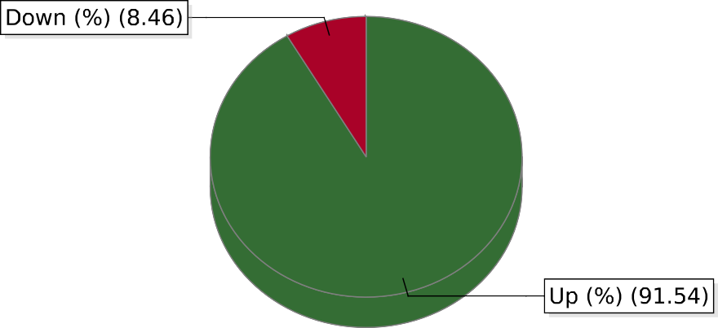
Feb 08,2024 06:20:47 PM 1/ 1 powered by Motadata

